1. Title Page
Grocery Basket Analysis

Project Name: Grocery Basket Analysis
Date: May 31, 2023
Analyst Name: Danielle Sadler

Contents:
Population Flow
Consistency checks
Wrangling steps
Column derivations
Visualizations
Recommendations

Data Citation: “The Instacart Online Grocery Shopping Dataset 2017”, Accessed from www.instacart.com/datasets/grocery-shopping-2017 via Kaggle on 5/13/23
Note: Instacart data is available publicly. Data used here has been fabricated for the purposes of this project brief.

2. Population Flow
Title page

Population flow

Exclusion flag
Condition: max_order < 5
Obervations to be removed: 1,440,295
Final total count of order_products_all: 30,964,564

Orders_products_
combined
Orders_products_
merged
Orders_products_all

Total: 32,434,489
Total: 32,404,859
Total: 32,404,859

1. The grey boxes in the first row of the population flow represent the original data sets. In the Total fields are the count of the rows of the data set as it was imported into Jupyter.
2. The second row of boxes (coloured) represents the data sets after manipulation, e.g., removed missing values and duplicates. The Total fields contain the count of the rows after conducting these operations. This is a visual oveview of how the data flows throughout the data consistency checks.
3. The third row, also coloured arrows, represents the merges performed between the datasets. In the Total fields are the count of the rows in the merged datasets, ending with the final dataset (in the red box). The final dataset is without excluded records, based on the exclusion flag.
a. Orders_products_combined contains the total number of records in the orders_products_prior dataset after a full match between the dataframes confirmed with merge indicator.
b. Orders_products_merged contains the total number of records in the orders_products_combined dataset after an inner join with products dataset on 'product_id':
29,630 records missing product_id.
c. Orders_products_all contains total number of records in the orders_products_merged dataset after a full match with the customers confirmed with merge indicator.

3. Consistency checks
Consistency checks
 |  |  |  | Title page
 |  |  |  | Consistency check tab

Dataset | Missing values | Missing values treatment | Duplicates
orders | 206,209 missing values in "days_since_prior_order" column | All missing values are null values that correspond to the first order in the; values left as null (see Consistency check tab) | No full duplicate values
products | 16 values missing in "product_name" column | Missing values dropped | 5 full duplicate values removed
 | "prices" column contained 5,127 outlier values > 100 | Marked as missing and dropped
orders_products_prior | No missing values found | N/A | No full duplicate values
customers | No missing values found | N/A | No full duplicate values

4. Wrangling steps
 |  |  |  |  | Title page
Wrangling steps

Dataset | Columns dropped | Columns renamed | Columns' type changed | Comment/Reason
orders | "eval_set'' column |  |  | all values 'prior' to indicate prior dataset - not relevant to this analysis
 |  | "order_hour of day" changed to "order_time" |  | for naming clarity
 |  |  | "user_id" changed to string data type | inaccurate as integer data type
 |  |  | "order_id" changed to string data type | inaccurate as integer data type
 |  |  | "order_number" changed to string data type | inaccurate as integer data type
products | N/A | N/A | N/A | N/A
orders_products_prior | N/A | N/A | N/A | N/A
customers |  |  | "first_name" changed to string data type | Check on data type mixed data in column
 |  | "First Name" to "first_name" |  | Following column naming conventions, removing spaces and capitalization
 |  | "Surnam" to "last_name"
 |  | "Gender" to "gender"
 |  | "STATE" to "state"
 |  | "Age" to "age"
 | "first_name" and "last_name" |  |  | PII privacy data identifiers removed

Dataset | Remaining columns following wrangling
orders | order_id
 | user_id
 | order_number
 | order_dow
 | order_time
 | days_since_prior_order
products | product_id
 | product_name
 | aisle_id
 | department_id
 | prices
orders_products_prior | order_id
 | product_id
 | add_to_cart_order
 | reordered
customers | user_id
 | gender
 | state
 | age
 | date_joined
 | n_dependants
 | fam_status
 | income

5. Column derivations
 |  |  |  | Title page | Title page

Column derivations and aggregations

dataset | New column | Column/s it was derived from | Conditions | Frequencies
orders_products_merged | price_label | prices | "prices" value <=5 = 'Low range product' | Low range product: 10,126,321
 |  |  | "prices" value >5 = and <=15 = 'Mid range product' | Mid range product: 21,860,860
 |  |  | "prices" value >15 = 'High range product' | High range product: 417,678
 | busiest day | orders_day_of_week | "orders_day_of_week" value = 0 = 'Busiest day' | Busiest day: 6,204,182
 |  |  | "orders_day_of_week" value = 4 = 'Least busy' | Least busy: 3,783,802
 |  |  | "orders_day_of_week" value != 0 or 4 = 'Regularly busy' | Regularly busy: 22,416,875
 | busiest_days | orders_day_of_week | "orders_day_of_week" value = 0 or 1 = 'Busiest days' | Busiest days: 11,864,412
 |  |  | "orders_day_of_week" value = 3 or 4 = 'Least busy' | Least busy: 7,624,336
 |  |  | "orders_day_of_week" value = 2, 5, 6 = 'Regularly busy' | Regularly busy: 12,916,111
 | busiest_period_of_day | order_time | "order_time" value >=9 and <=16 = 'Most orders' | Most orders: 21,118,071
 |  |  | "order_time" value =7 or =8 or ( >=17 and <=22) = 'Average orders' | Average orders: 9,997,651
 |  |  | "order_time" value = all other values = 'Fewest orders' | Fewest orders: 1,289,137
 | max_order | user_id, order_number | data grouped by "user_id" and "order_number", column value reflects max value of orders
 | loyalty_flag | max_order | "max_order" value > 40 = 'Loyal customer' | Loyal customer: 10,284,093
 |  |  | "max_order" value <= 40 and >10 = 'Regular customer' | Regular customer: 15,876,776
 |  |  | "max_order" value <= 10 = 'New customer' | New customer: 6,243,990
 | mean_price | prices, user_id | data grouped by "user_id" and "prices", column value reflects mean value of order prices
 | spending_flag | mean_price | "mean_price" value <10 = 'Low spender' | Low spender: 31,770,614
 |  |  | "mean_price" value >=10 = 'High spender' | High spender: 634,245
 | median_days | user_id, days_since_prior_order | data grouped by "user_id" and "days_since prior_order", column value reflects median of days since last order
 | frequency_flag | median_days | "median_days" values > 20 = 'Non-frequent customer' * | Non-frequent customer: 3,636,442
 |  |  | "median_days" values > 10 and <= 20 = 'Regular customer' | Regular customer: 7,208,564
 |  |  | "median_days" values <=10 = 'Frequent customer' | Frequent customer: 21,559,853
 |  |  | *Because values left as null in days_since_prior_order column during consistency checks, 5 null values of "median_days" were added to 'Non-frequent customer' as they corresponded to a first order
orders_products_all | region | state | States grouped according to Regions of the U.S. | South: 10,151,491
 |  |  |  | West: 8,933,307
 |  |  |  | Midwest: 7,597,325
 |  |  |  | Northeast: 5,722,736
 | cust_activity | max_order | "max_order" value <5 = 'Low-activity customer' | Low activity customer: 1,440,295
 |  |  | "max_order" value >=5 = 'Regular customer' | Regular customer: 30,964,564
 | age_category | age | "age" value <= 30 = '30 and under' | 30 and under: 6,599,359
 |  |  | "age" value >30 and <=60 = '31 to 60' | 31 to 60: 15,222,661
 |  |  | "age" value >60 = 'Over 60' | Over 60: 10<582,839
 | dep_category | n_dependants | "n_dependants" value = 0 = 'None' | None: 8,097,503
 |  |  | "n_dependants" value != 0 = 'Dependants' | Dependants: 24,307,356
 | income_category | income | "income" value < 50000 = 'Less than 50K' | Less than 50K: 3,594,083
 |  |  | "income" value >= 50000 and <= 100000 = '50 to 100K' | 50 to 100K: 13,996,010
 |  |  | "income" value >= 100000 and <= 500000 = '100 to 250K' | 100 to 250K: 14,632,186
 |  |  | "income" value >= 500000 = 'More than 250K' | More than 250K: 182,580
 | time_category | order_time | "order_time" >= 0 and <6 and >=22 = 'Overnight' | Overnight: 1,632,869
 |  |  | "order_time >=6 and <12 = 'Morning' | Morning: 10,851,768
 |  |  | "order_time">= 12 and <= 16 = 'Afternoon' | Afternoon: 13,165,968
 |  |  | "order_time">16 and <22 = 'Evening' | Evening: 6,754,254
young_adult_sample |  | age_category, dep_category, income_category | "age_category" value = '30 and Under' and "dep_category" = 'None' and "income_category" = '100 to 250K' | records = 48,888
working_parent_sample |  | age_category, dep_category, income_category | age_category value = '31 to 60' and "dep_category" = 'Dependants' and "income_category" = '50 to 100K' | records = 4,772,185
retiree_sample |  | age_category, dep_category, income_category | "age_category" value = 'Over 60' and "dep_category" = 'Dependants' and "income_category" = '100 to 250K" | records = 5,480,658
produce_orders |  | department_id | "department_id" value = '4' | records = 9,479,291
dairy_orders |  | department_id | department_id value = '16' | records = 5,398,747

6. Visualizations
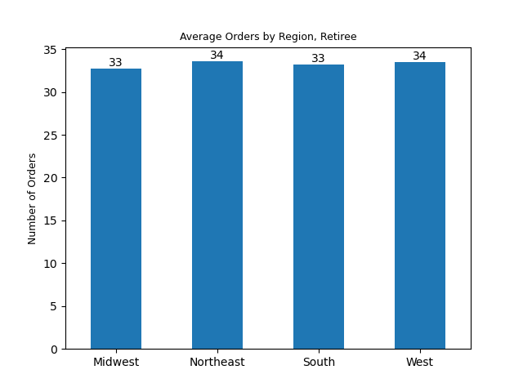
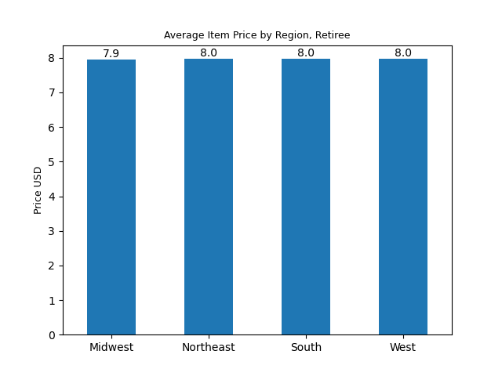
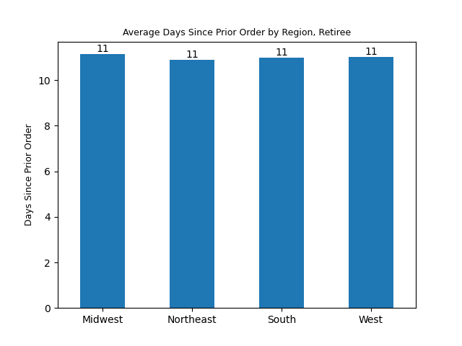
 | Title page

Visualizations

A note on the data visualizations: Unless otherwise noted, visualizations represent the entire data populution.
Sample populations visualized are labeled and include:
Young Working Adults: customers who are 30 years and under, income $100 to 250K, no dependants
Working Parents: customers who are 31-60 years old, income $50 to $100K, and have at least 1 dependant
Retirees: customers who are 60 years or older, income $100 to 250K, and have at least 1 dependant

What are the most popular days of the week for orders?
Saturdays and Sundays are the most popular, Tuesdays and Wednesdays are the least popular. This is further broken down by demographic group below.

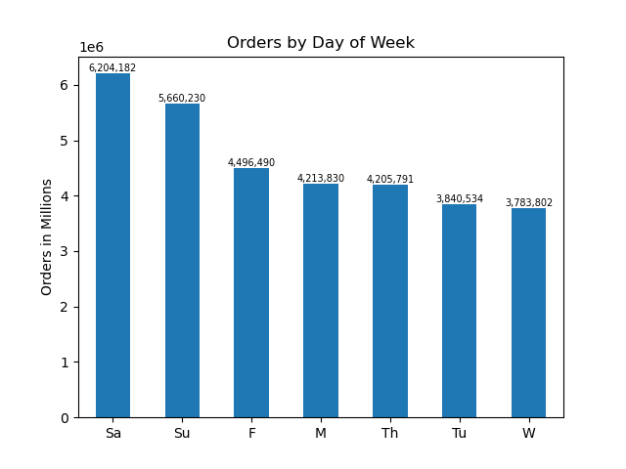

What are the busiest hours of the day for orders?
The busiest period of the day is afternoon between 12:00 and 4:00pm, and the second busiest period is morning between 6:00 and 11:00am. This is true across days of the week and demographic groups sampled.


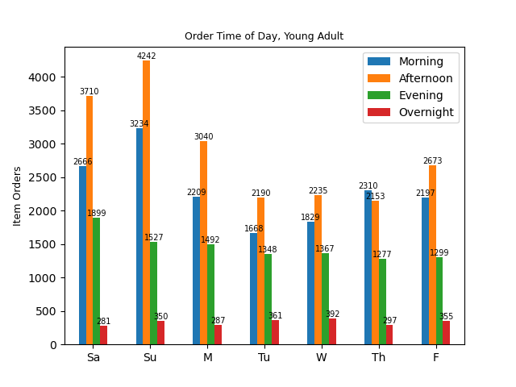
Orders in Millions by Hour of Day

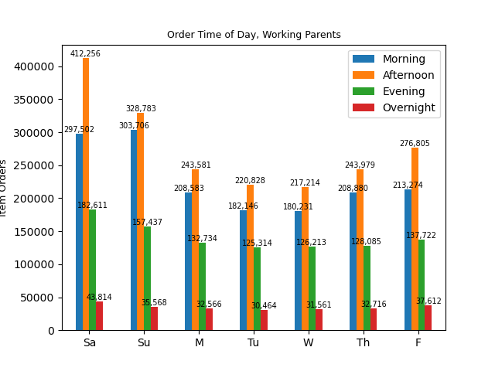
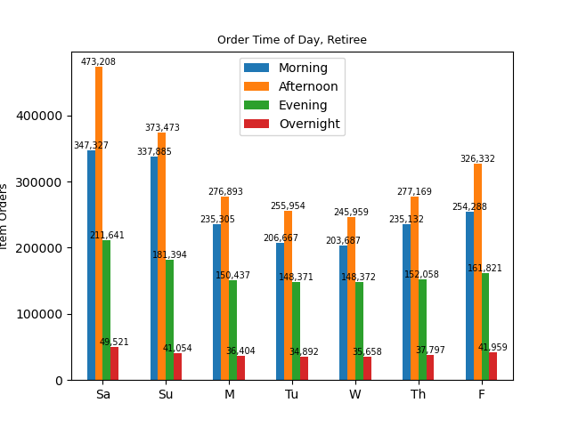

What is the distrbution of customers who have strong brand loyalty and those who are new customers?
About 20% of our customers are new, about 50% regularly use our service, and about 30% have strong brand loyalty. These figures are consistent across age groups and regions.


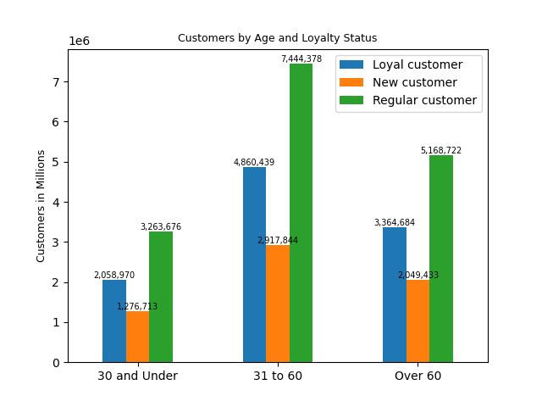
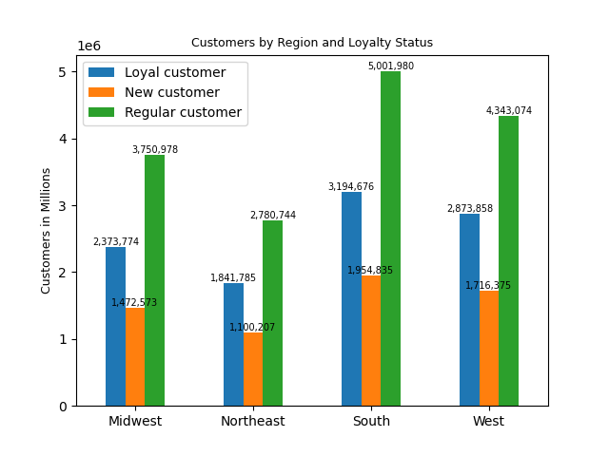

What time of day do customers spend the most money?
Highest priced items are ordered between 3:00 and 6:00, as well as at 23:00. Lowest priced items are ordered between 9:00 and 10:00. (Data in the line graph is from a sample of 30% of total data records.)
Data is visualized from purchases in the Produce and Dairy/ Eggs departments, the departments with the highest number of items ordered across demographic groups.

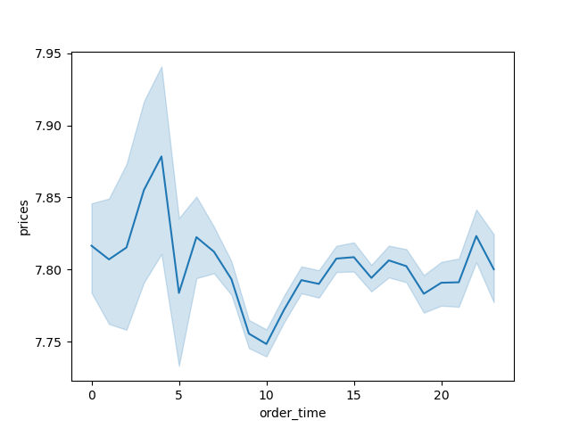
Average Item Price by Hour of Day
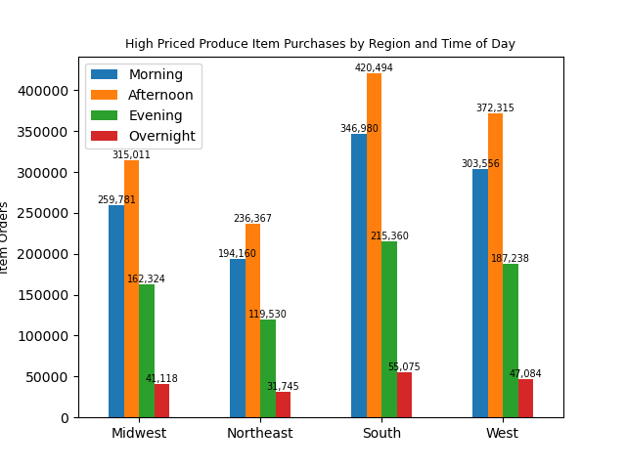
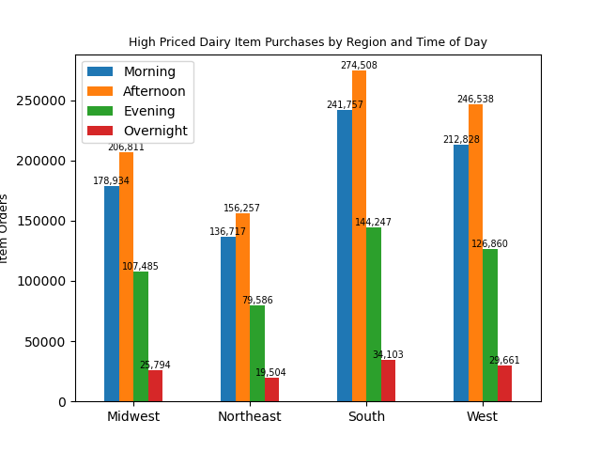

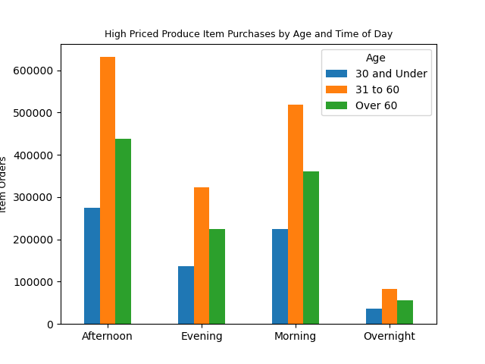
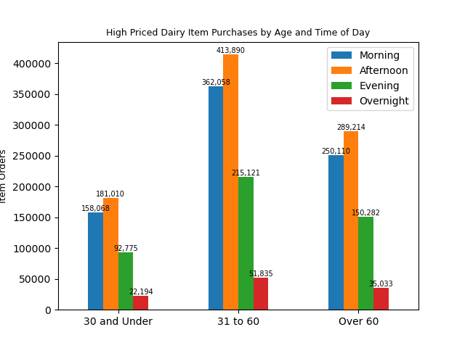

What connection is there between age of customers and family status?
There doesn't appear to be a connection between age and dependants to recommend targeted marketing campaigns. (Data in the line graph was visualized from a 30% sample.)


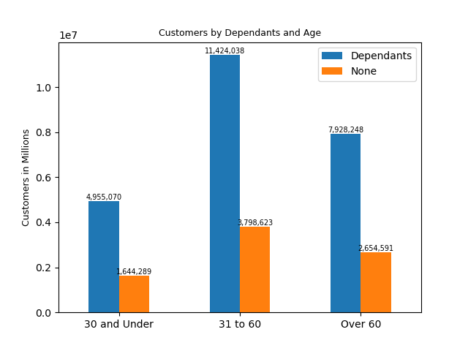
Relationship between Age and Number of Dependants

What connection is there between age and income of customers?
Increased age corresponds to higher income.

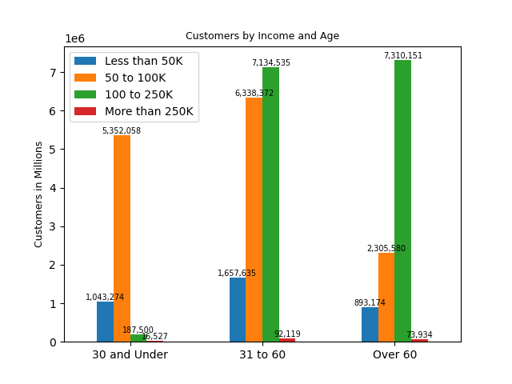

What is the breakdown of age of customers across regions?
47% of Instacart customers in all regions are aged 31 to 60, 33% are age 60 or older, and 21% are age 30 and under.

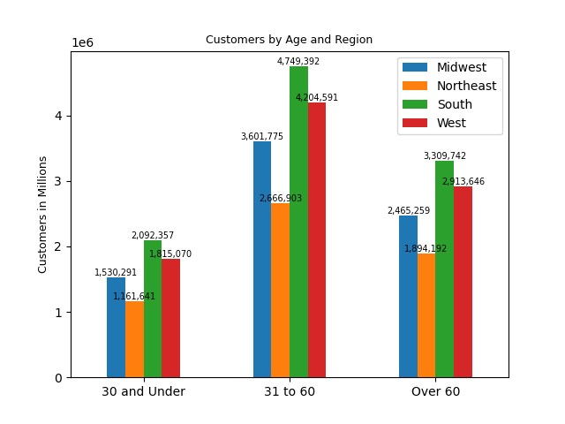

What are the most popular items ordered?
Items in the Produce and Dairy/ Eggs departmenst are the most ordered items. This holds true across demographic groups sampled.

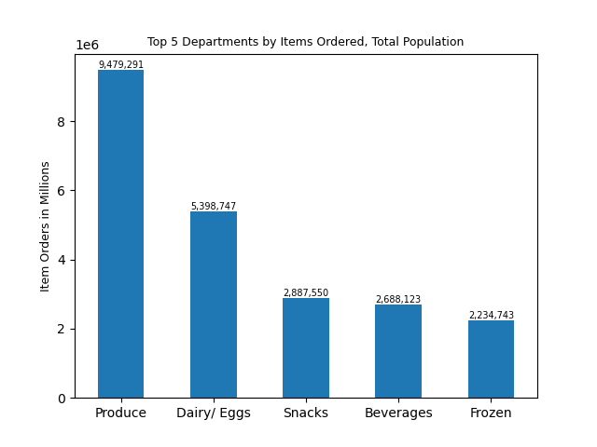
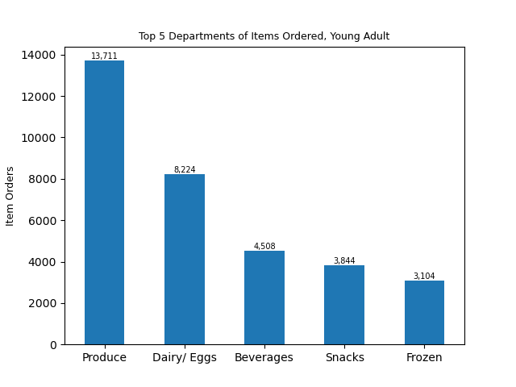

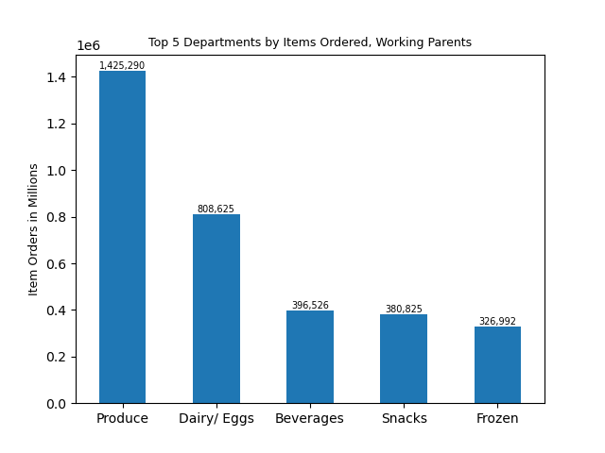


What are the regional differences among Instacart customers who are young working adults with higher income and without children?
The customers in this demographic have the highest average number of orders in the Midwest, the lowest in the Northeast. There is little variation in the average item prices among regions. The Northeast has slightly more time between orders than the other regions.

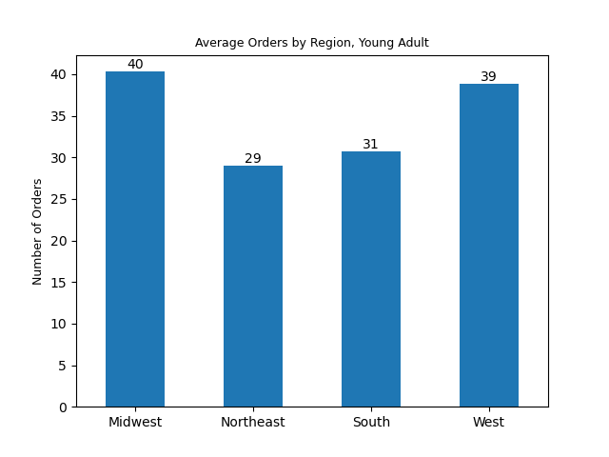
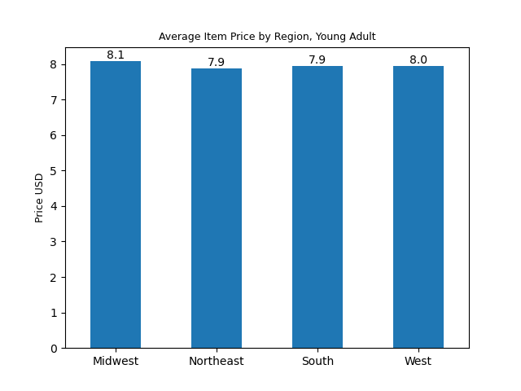
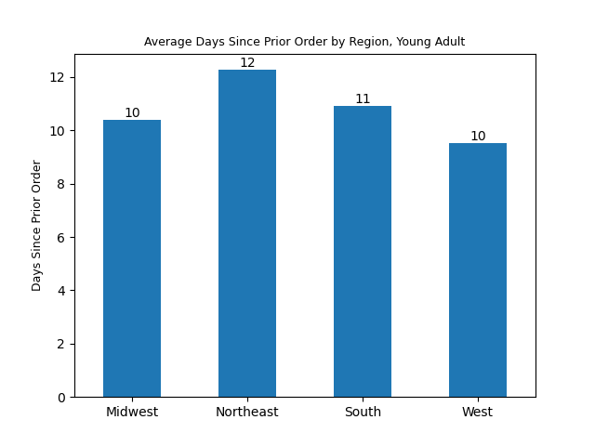

What are the regional differences between working parents with income of $50 to $100K?
There is very little difference in average orders, average item prices, or time between orders among regions for this demographic.

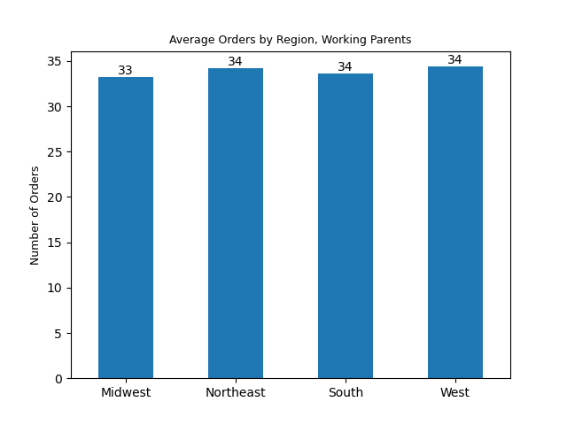
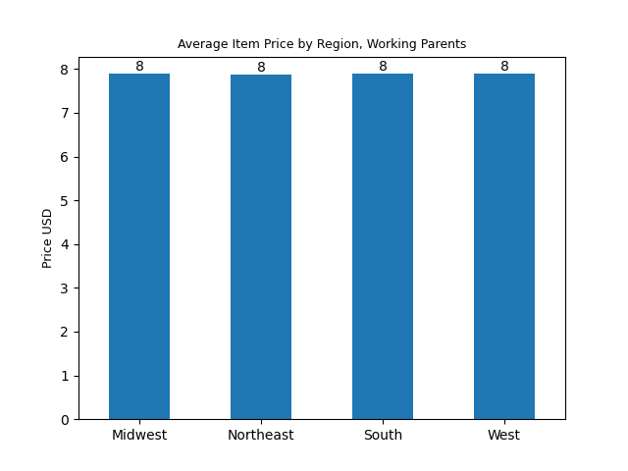
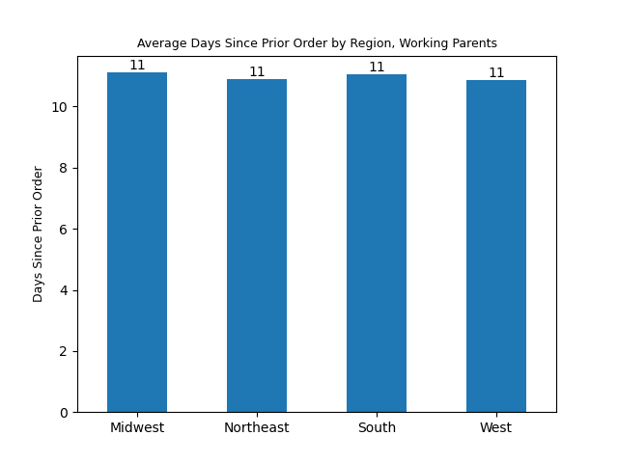

What are the regional differences among Instacart customers who are retirees with dependants and higher income?
There is very little difference in average orders, average item prices, or time between orders among regions for this demographic.

7. Recommendations
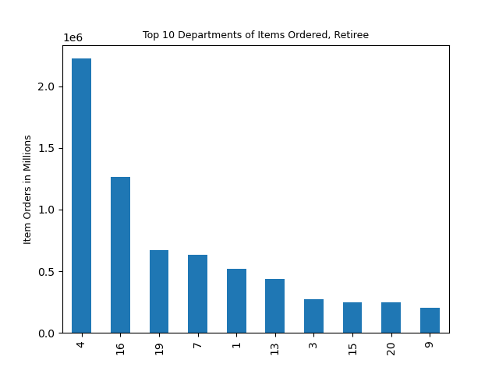
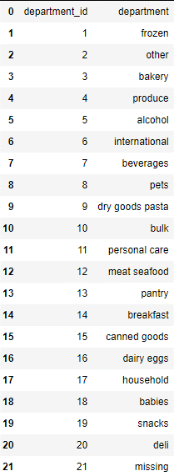
 |  | Title page

Recommendations

 | Recommendations to increase per order sales total among existing customers: Targeted ads should be run across demographic groups on Saturdays and Sundays, particularly in between 12:00-4:00pm. Additional ads should be targeted to young adults without dependants on Monday afternoons. Additional targeted ads should be run to working parents and customers over 60 years with dependants on Fridays afternoons. These recommendations are based on the demographic samples created from the most representative income, age, and dependant status markers. Further exploration of the intersection of demographic factors, including visualization with radar chart and/ or Venn diagram, is recommended for clearer context.

 | The departments that sell the most items among all customers are Produce (29% of all orders) and Dairy/Eggs (17% of all orders). Targeted ads should be run to the demographic groups at the times outlined above for products in these departments.

 | 35% of all produce item sales and 41% of dairy item sales are the highest priced items in these departments (over $10, average price $8 in both departments). Sales patterns of these high priced items follow sales of all items in these departments. Market basket analysis is recommended for further analysis into buying patterns of high-priced items in these and other departments to determine demographic trends and potential items for up-selling with ads and promotions.



 | Recommendation to increase brand loyalty: The largest number of loyal customers are in the South and they are 31 to 60 years old, but the percentages of loyal, regular, and new customers are consistent across regions and age groups. Collecting more complete data on order dates would provide additional insight into ordering trends and temporal factors that affect customer loyalty. Additionally, data on Instacart membership churn, particularly incomplete or canceled orders, would give context to demographic factors that contribute to customer loyalty. Market basket analysis could provide insight into products that promote greater brand loyalty.

Summary of recommendations: Targeted ad campaigns directed to the demographic populations at the times and days outlined above. Three additional weeks for the compilation of an expanded report to include market basket analysis and further population analysis by demographic factors for more specific recommendations regarding individual products for future ad campaigns.

